Case #1
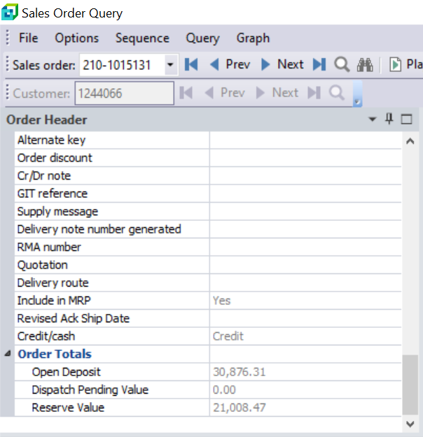
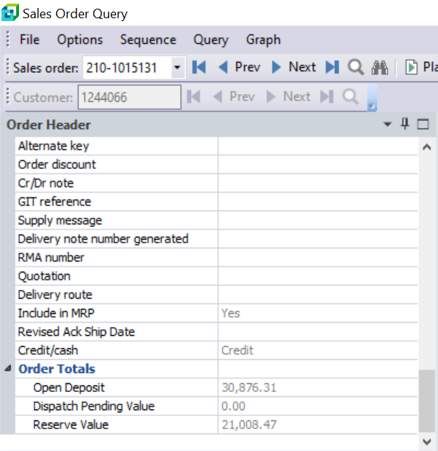
Justin Pope Dev Test
Test Case No. |  | 1
Process |  | update svf_SalesOrder_ResereValue
Test Consideration |  | 1) Log on to SysPro
Test Condition |  |  | Data Used | How To Verify | Actual Results
Tasks
1 |  | Record Data from SysPro | Orders: 230-1002476 - Exempt 210-1016552 - Exempt 210-1016698 - NonExempt 210-1015131 - NonExempt | Query orders on Syspro | Screen Shots below
2 |  | update svf_SalesOrder_ResereValue
3 |  | Record Order Data again from SysPro | Same Orders |  | Screen Shots below
Verification
Test Cast Screens Shots Before and After
 | Before | Orders |  | After
 |  | 230-1002476
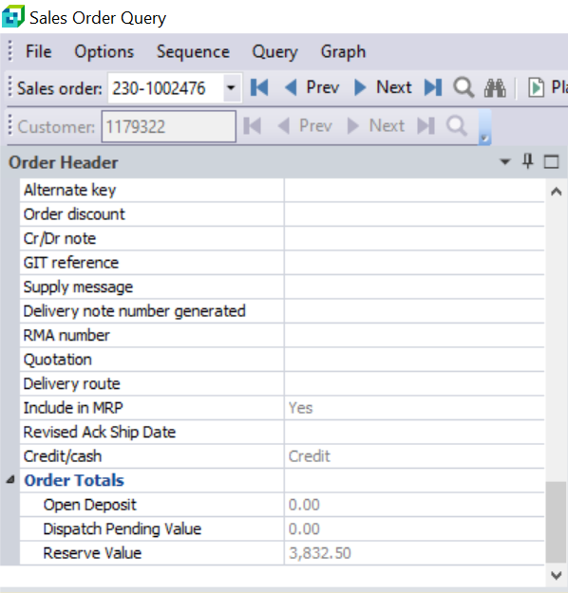
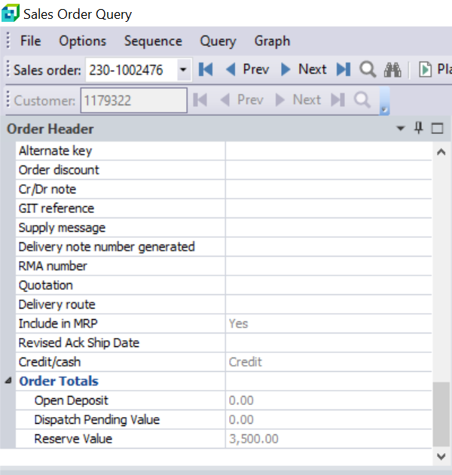

 |  | 210-1016552
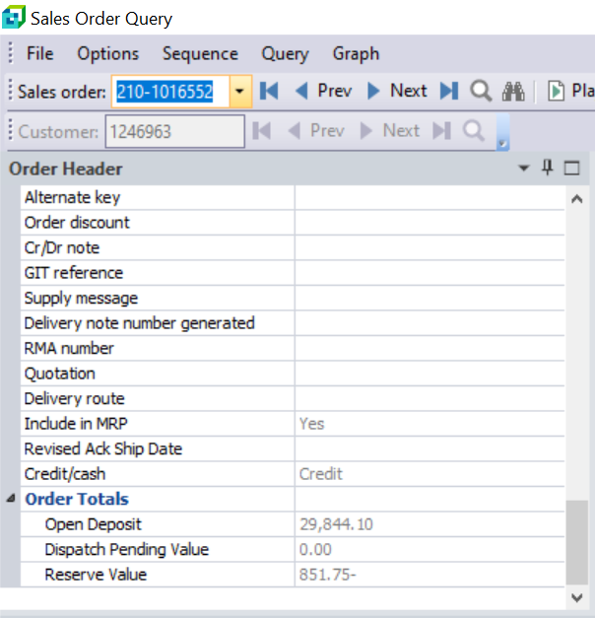
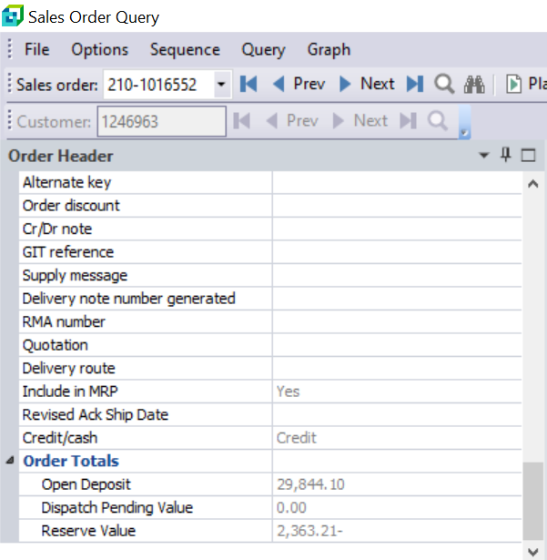

 |  | 210-1016698
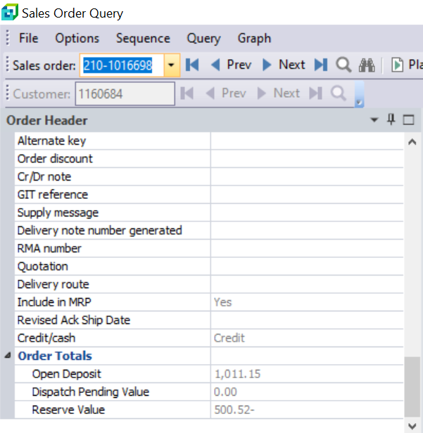
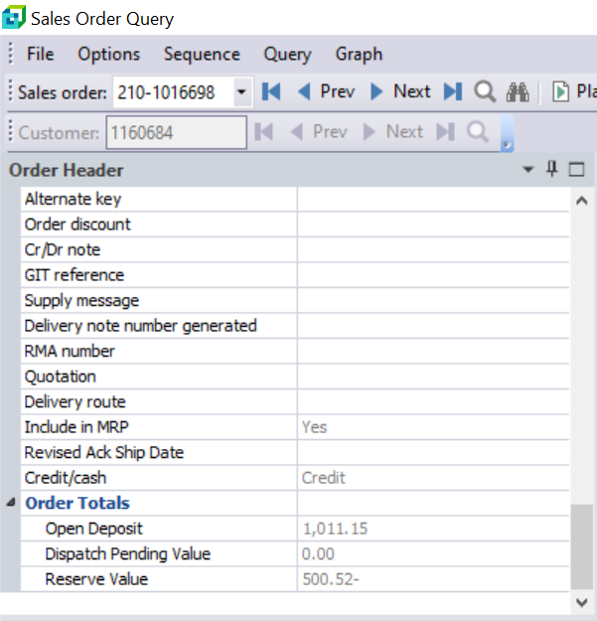

 |  | 210-1015131

